Patterns Main Screen
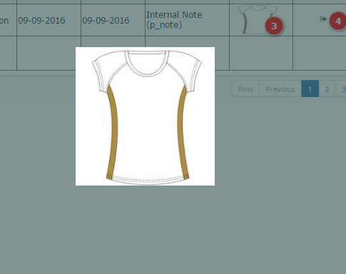
 | SC_patterns_main - PATTERNS MAIN SCREEN

 | Main Database : |  | PATTERN |  | Actions : | Double Click on a field, open edit screen
 | Linked databases : |  | GROUP OF PRODUCTS |  |  | Click on NEW button : create new record, add a new id_pattern , and open edit screen
 |  |  | PATTERN DESCRIPTION |  |  |  | Create as many records on PATTERN DESCRIPTION as different languages on LANGUAGES
 |  |  |  |  |  |  | Open Edit screen
 |  |  |  |  |  | Click on View button : swift between different views
 |  |  |  |  |  | Head of the tables allow to filter and sort information (When change view keep filter)
 |  |  |  |  |  | When click on a picture : Enlarge on a Pop Up
 |  |  |  |  |  | When mouse pass over NOTES, enlarge cell to read all content
 |  |  |  |  |  | Show description on user language (if empty english)
 | * SC_patterns_main
PATTERN
Id_Pattern ___ (U/I)
id_group_products
pt_date __/__/__
pt_update __/__/__
pt_notes ________________
pt_Sketch (JPG)
pt_Parts (JPG)
 |  |  |  |  | CREATE

 |  | PATTERN | DESCRIPTION (ML) | GROUP PROD. | DATE | UPDATE | NOTES | SKETCH
 |  | id_pattern | pd_description (id_pattern/id_language) | gp_description (id_group_products) | pt_date | pt_update | pt_notes | pt_sketch
 |  | 0039 | T-Shirt Ranglan | T-Shirt | 2013-05-02 | 2013-05-02
PATTERN DESCRIPTION
Id_pattern_desc ___ (U/I)
Id_pattern ___ (L)
id_language ___
pd_description ___________
 |  | 0110 | T-Shirt Ranglan long | T-Shirt | 2013-08-06 | 2013-08-06 | Based 0039 +5cm
 |  | 0139 | T-Shirt Ranglan Viet School | T-Shirt | 2015-05-03 | 2015-07-23 | Based 0039, bigger collar

1. Main Screen (M1)

 | 1. Mockup

 | 2. Components

2. Add Pattern Popup (M2)

 | 1. Mockup |  |  |  |  |  | 2. Components
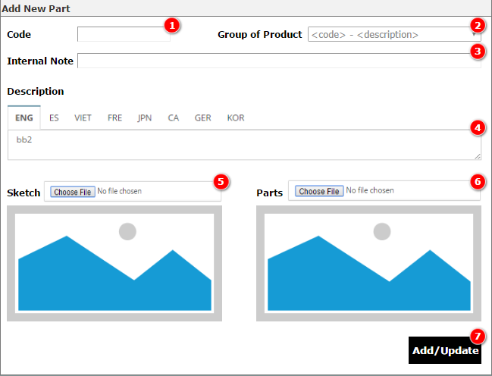

3. Add Pattern Popup (M3)

Patterns Details Screen
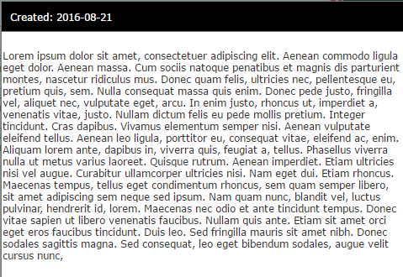
 | SC_patterns_edit - PATTERN DETAILS SCREEN

 | Database 1 : |  | PATTERN |  | Actions : | Show description in user language (if empty english)
 | Linked databases : |  | GROUP OF PRODUCTS |  |  | When edit Pattern Description open DESCRIPTION POP UP to edit all languages.
 |  |  | PATTERN DESCRIPTION ( LANGUAGES)

 | Database 2 : |  | PATTERN PARTS (filtered id_pattern) |  | Actions : | CREATE : Create new record, replace content of id_pattern with pattern id_pattern , and open edit screen (pop up)
 | Linked databases : |  |  |  |  | Head of the tables allow to filter and sort information

 | Database 3 : |  | PATTERN VARIATIONS (filtered id_pattern) |  | Actions : | CREATE : Create new record, replace content of id_pattern with pattern id_pattern , and open edit screen (pop up)
 | Linked databases : |  |  |  |  | When click on a picture : Enlarge on a Pop Up
 |  |  |  |  |  | Head of the tables allow to filter and sort information
 | Database 4 : |  | PATTERN NOTES (filtered id_pattern) |  | Actions : | CREATE : Create new record, replace content of id_pattern with pattern id_pattern , and open edit screen (pop up)
 | Linked databases : |  |  |  |  | When mouse pass over NOTES, enlarge cell to read all content
 |  |  |  |  |  | Head of the tables allow to filter and sort information

PATTERN : id_pattern DATE : pt_date
DESCRIPTION : pd_description (id_pattern/id_language) UPDATE : pt_update
GROUP PRODUCT : gp_description (id_group_products) NOTES : pt_notes
pt_parts
PATTERNS
Id_Pattern ___ (U/I)
pt_description ____________ (ML)
id_group_products ___
pt_date __/__/__
pt_update __/__/__
pt_notes ________________
pt_Sketch (JPG)
pt_Parts (JPG)
 | * SC_patterns_edit
 | #1
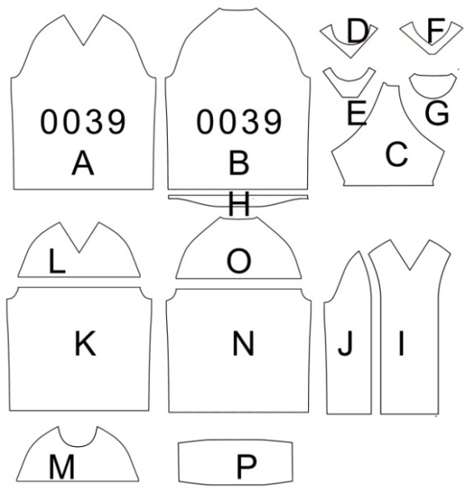

pt_sketch
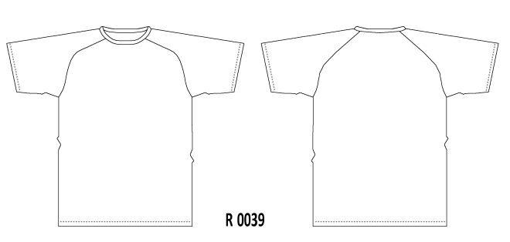

PATTERN PARTS
Id_Pattern_Part ___ (U/I)
Id_Pattern ___ (L)
pp_code ___
pp_description _en _______
pp_description _vn _______

PATTERN NOTES
Id_pattern_note ___ (U/I)
Id_Pattern ___ (L)
pn_date __/__/__
pn_note ________________________
 |  | * SC_patterns_part |  |  |  |  | * SC_patterns_vari
 |  | PART | DESCRIPTION (EN) | DESCRIPTION (VN) |  |  | VAR. CODE | DESCRIPTION | PARTS | SKETCH
 | #2 | pp_code | pp_description_en | pp_description_vn |  | #3 | pv_code | pv_description | pv_parts | pv_sketch

* SC_patterns_part_edit
PART - EDIT SCREEN (Pop Up)
----------------------------------------------------------
PART : pp_code
DESCRIPTION (EN) : pp_description_en
DESCRIPTION (VN) : pp_description_vn
----------------------------------------------------------
SAVE QUIT
* SC_patterns_vari_edit
VRIATION - EDIT SCREEN (Pop Up)
----------------------------------------------------------
CODE : pv_code
DESCRIPTION : pv_description_
PARTS : pv_parts
SKETCH : pv_scketch (JPG)
----------------------------------------------------------
SAVE QUIT
PATTERN VARIATIONS
Id_pattern_var ___ (U/I)
Id_Pattern ___ (L)
pv_code ___
pv_description ___________ (ML)
pv_parts _______
pv_sketch (JPG)

 |  | CREATE |  |  |  |  |  |  |  |  | pv_patterns
 |  |  |  |  |  |  | CREATE

PATTERN DESCRIPTION
Id_pattern_desc ___ (U/I)
Id_pattern ___ (L)
id_language ___
pd_description ___________
* SC_patterns_note_edit
NOTE - EDIT SCREEN (Pop Up)
-----------------------------------------------------------------------------
DATE : pn_date
NOTE : pn_note
------------------------------------------------------------------------------
SAVE QUIT
 |  | * SC_patterns_note
 |  | DATE | NOTES
 | #4 | pn_date | pn_note

 |  | CREATE

1. Pattern Detail (M1)

 | 1. Mockup |  |  |  |  |  |  |  | 2. Components
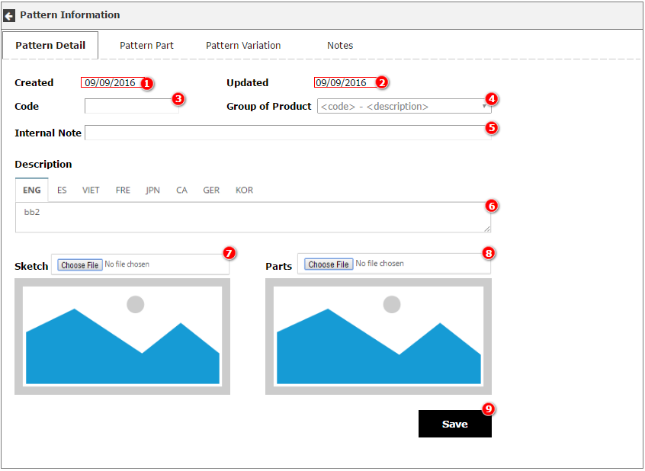

2. Pattern Detail

 | 2.1 Main Screen - M2 |  |  |  |  |  |  |  | 2.2 Components
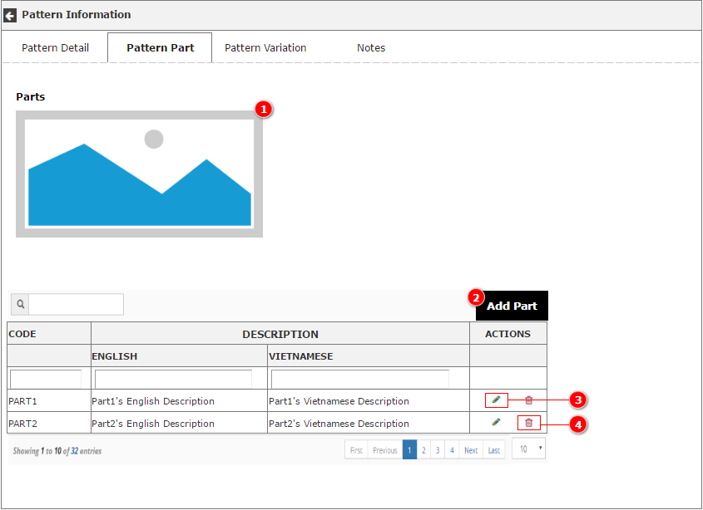

 | 2.3 Add Part Popup - M2.1 |  |  |  |  | 2.4 Components
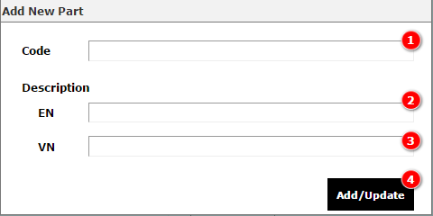

3. Pattern Variation

 | 3.1 Main Screen - M3.1 |  |  |  |  |  |  |  | 3.2 Components
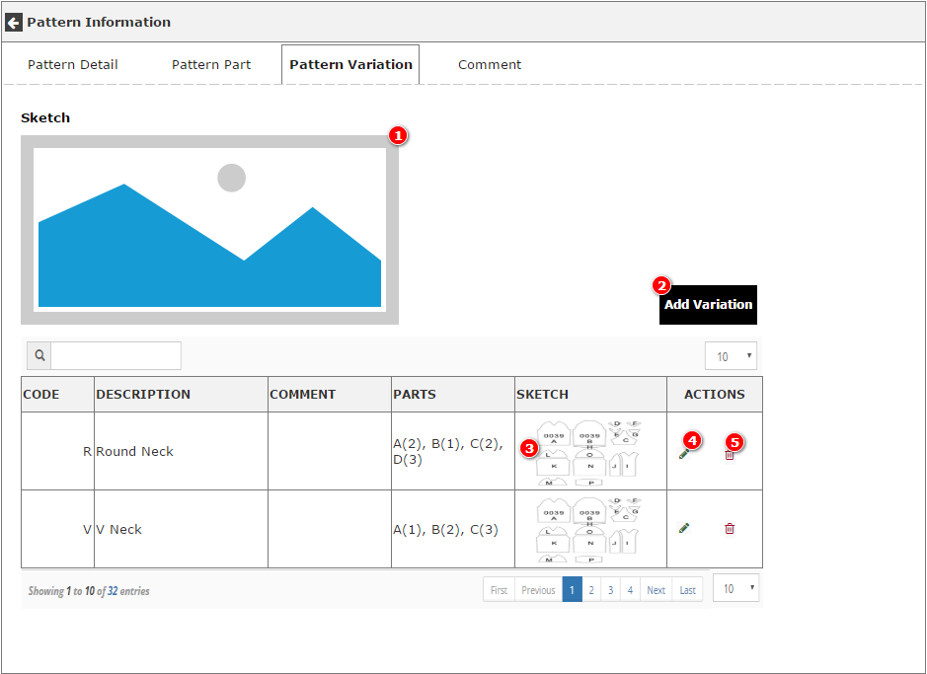

 | 3.1 Add/Edit Variation Popup - M3.2 |  |  |  |  | 3.2 Components
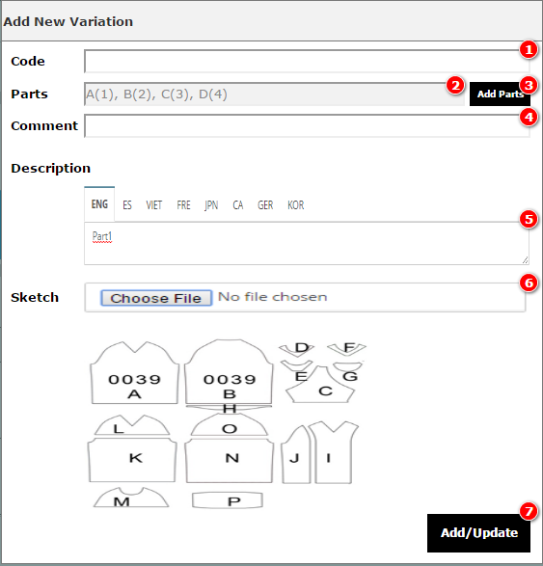

 | 3.3 Full Size Image Popup - M3.3 |  |  |  | 3.2 Components
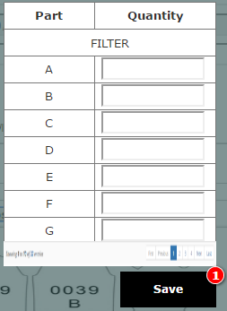

 | 3.4 Full Size Image Popup - M3.4
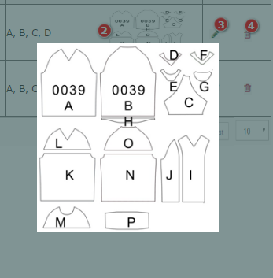

4. Pattern Comments

 | 4.1 Main Screen - M4.1
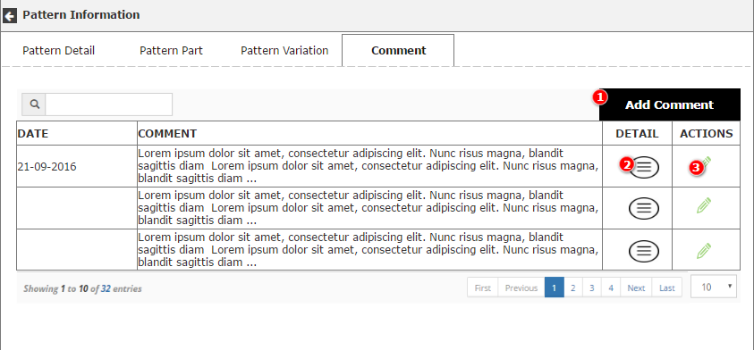

 | 4.2 Add/Edit Comment - M4.2
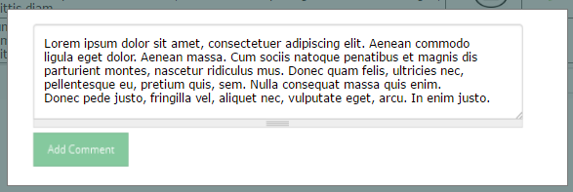

 | 4.3 Detail Comment - M4.3

Patterns Details Scr. (example)
SC_patterns_edit - PATTERN DETAILS SCREEN (Example)

Database 1 : |  | PATTERN |  | Actions : | Show description in user language (if empty english)
Linked databases : |  | GROUP OF PRODUCTS |  |  | When edit Pattern Description open DESCRIPTION POP UP to edit all languages.
 |  | PATTERN DESCRIPTION ( LANGUAGES)

Database 2 : |  | PATTERN PARTS (filtered id_pattern) |  | Actions : | CREATE : Create new record, replace content of id_pattern with pattern id_pattern , and open edit screen (pop up)
Linked databases : |  |  |  |  | Head of the tables allow to filter and sort information

Database 3 : |  | PATTERN VARIATIONS (filtered id_pattern) |  | Actions : | CREATE : Create new record, replace content of id_pattern with pattern id_pattern , and open edit screen (pop up)
Linked databases : |  |  |  |  | When click on a picture : Enlarge on a Pop Up
 |  |  |  |  | Head of the tables allow to filter and sort information
Database 4 : |  | PATTERN NOTES (filtered id_pattern) |  | Actions : | CREATE : Create new record, replace content of id_pattern with pattern id_pattern , and open edit screen (pop up)
Linked databases : |  |  |  |  | When mouse pass over NOTES, enlarge cell to read all content
 |  |  |  |  | Head of the tables allow to filter and sort information

PATTERN : 0110 DATE : 06/08/2013
DESCRIPTION : T-Shirt Ranglan UPDATE : 06/08/2013
GROUP PRODUCT : T-Shirt NOTES : Based 0039 +5cm
pt_parts
PATTERNS
Id_Pattern ___ (U/I)
pt_description ____________ (ML)
id_group_products ___
pt_date __/__/__
pt_update __/__/__
pt_notes ________________
pt_Sketch (JPG)
pt_Parts (JPG)
* SC_patterns_edit |  | EXAMPLE
#1

pt_sketch

PATTERN PARTS
Id_Pattern_Part ___ (U/I)
Id_Pattern ___ (L)
pp_code ___
pp_description _en _______
pp_description _vn _______

PATTERN NOTES
Id_Pattern_Note ___ (U/I)
Id_Pattern ___ (L)
pn_date __/__/__
pn_note ________________________
 | * SC_patterns_part |  |  |  |  | * SC_patterns_vari
 | PART | DESCRIPTION (EN) | DESCRIPTION (VN) |  |  | VAR. CODE | DESCRIPTION | PARTS | SKETCH
#2 | pp_code | pp_description_en | pp_description_vn |  | #3 | pv_code | pv_description | pv_parts | pv_sketch
 | A | Front |  |  |  | R | Round Neck | A, B, C, D
 | B | Back
 | C | Sleeves
* SC_patterns_part_edit
PART - EDIT SCREEN (Pop Up)
----------------------------------------------------------
PART : A
DESCRIPTION (EN) : Front
DESCRIPTION (VN) :
----------------------------------------------------------
SAVE QUIT
PATTERN VARIATIONS
Id_Pattern_Var ___ (U/I)
Id_Pattern ___ (L)
pv_code ___
pv_description ___________ (ML)
pv_patterns _______
pv_sketch (JPG)
 | D | Round collar |  |  |  | V | V Neck | A, B, C
* SC_patterns_vari_edit
VRIATION - EDIT SCREEN (Pop Up)
----------------------------------------------------------
CODE : pv_code
DESCRIPTION : pv_description_
PARTS : pv_parts
SKETCH : pv_scketch (JPG)
----------------------------------------------------------
SAVE QUIT
 | E | Polo Neckline
 | F | Small V
 | G | Half moon |  |  |  | RFS | Round front split | K, M, B, C
 | H | Curved bottom
 | CREATE
 |  |  |  |  |  | CREATE

* SC_patterns_note_edit
NOTE - EDIT SCREEN (Pop Up)
-----------------------------------------------------------------------------
DATE : pn_date
NOTE : pn_note
------------------------------------------------------------------------------
SAVE QUIT
PATTERN DESCRIPTION
Id_pattern_desc ___ (U/I)
Id_pattern ___ (L)
id_language ___
pd_description ___________
 | * SC_patterns_note
 | DATE | NOTES
#4 | pn_date | pn_note
 | 2016-01-17 | This is the last note wrote in this notes blogg
 | 2015-10-03 | Repaired round collar . Create new V neck. Enlarge size XS
 | 2013-08-06 | Dreation of the pattern
 | CREATE

